Sheet1
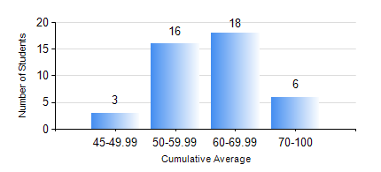
 |  |  | KWAME NKRUMAH UNIVERSITY OF SCIENCE AND TECHNOLOGY, KUMASI Department of Mechanical Engineering

 |  |  | BSC. INDUSTRIAL ENG.

 |  |  | COMPREHENSIVE RECORD OF EXAMINATION RESULTS

 |  |  | RESULTS OF YEAR 1 FIRST SEMESTER, 2019/2020 ACADEMIC YEAR

 | Sn | Course Code |  | Course Name | Credit Hours | Min. Mark | Max. Mark | Avg. Mark | Std. Dev. | No. Passed | No. Trailed | No. (Df) | No. (I) | No. (I*) | No. Tagged(I,I*,Df) | Total
 | 1. | CE 155 |  | ENVIRONMENTAL STUDIES | 2 | 46 | 81 | 63 | 9.13 | 43 | 0 | 0 | 0 | 0 | 0 | 43
 | 2. | EE 151 |  | APPLIED ELECTRICITY | 3 | 46 | 93 | 68 | 14.27 | 43 | 0 | 0 | 0 | 0 | 0 | 43
 | 3. | ENGL 157 |  | COMMUNICATION SKILLS I | 2 | 40 | 84 | 57 | 9.05 | 43 | 0 | 0 | 0 | 0 | 0 | 43
 | 4. | MATH 151 |  | ALGEBRA | 4 | 43 | 90 | 61 | 11.89 | 43 | 0 | 0 | 0 | 0 | 0 | 43
 | 5. | ME 157 |  | INTRODUCTION TO INFORMATION TECHNOLOGY | 2 | 45 | 81 | 61 | 10.39 | 43 | 0 | 0 | 0 | 0 | 0 | 43
 | 6. | ME 159 |  | TECHNICAL DRAWING | 2 | 44 | 89 | 57 | 7.82 | 43 | 0 | 0 | 0 | 0 | 0 | 43
 | 7. | ME 195 |  | ENGINEERING TECHNOLOGY I | 2 | 42 | 69 | 55 | 6.8 | 43 | 0 | 0 | 0 | 0 | 0 | 43

